Sheet1
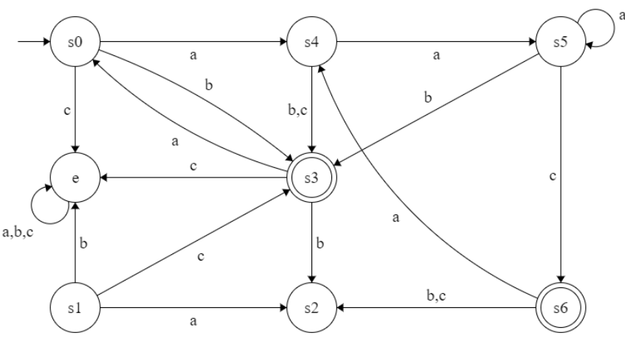
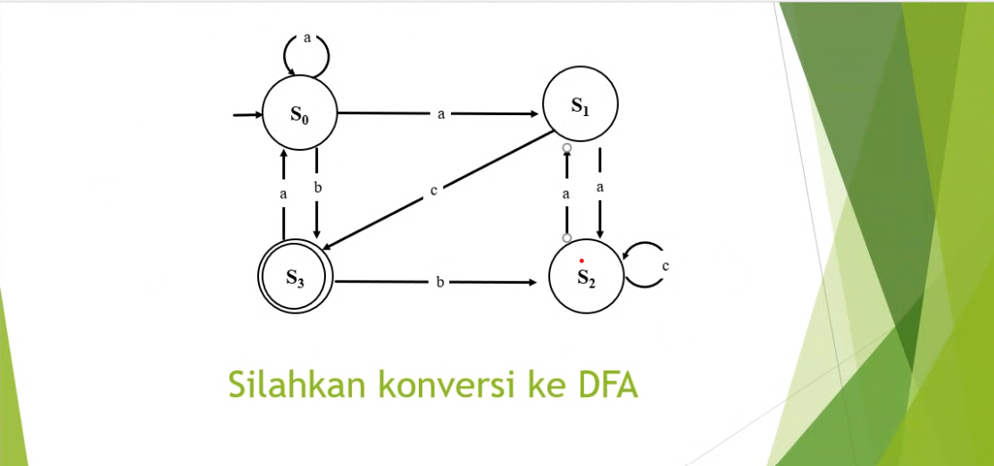
TRANSISI | a | b | c |  | TRANSISI | a | b | c
->s0 | {s0,s1} | s3 | ⦰ |  | ->s0 | s4 | s3 | ⦰
s1 | s2 | ⦰ | s3 |  | s1 | s2 | ⦰ | s3
s2 | s1 | ⦰ | s2 | -> | s2 | s1 | ⦰ | s2
*s3 | s0 | s2 | ⦰ |  | *s3 | s0 | s2 | ⦰
{s0,s1} | {s0,s1,s2} | s3 | s3 |  | s4 | s5 | s3 | s3
{s0,s1,s2} | {s0,s1,s2} | s3 | {s2,s3} |  | s5 | s5 | s3 | s6
*{s2,s3} | {s0,s1} | s2 | s2 |  | *s6 | s4 | s2 | s2
⦰ | ⦰ | ⦰ | ⦰ |  | ⦰ | ⦰ | ⦰ | ⦰

